Pivot Table
WATCH HOURS BY PROVINCE

WATCH HOURS BY AGE GROUP

TOP 10 TV CHANNELS BY WATCH HOURS
Tv_channel | Sum of Duration_hours
ICC Cricket World Cup 2011 | 412.13
Live Events | 318.49
Channel O | 192.76
Trace TV | 191.92
SuperSport Blitz | 90.68
Boomerang | 73.26
Cartoon Network | 70.25
CNN | 67.78
Africa Magic | 48.714498
E! Entertainment | 36.984473
SawSee | 10.41891
M-Net | 3.900552
kykNET | 2.706669
Vuzu | 1.427508
Break in transmission | 0.891667
MK | 0.68139
Wimbledon | 0.008611
Grand Total | 1523.00118

Peak Viewing Hours

Morning vs Afternoon vs Evening

time_of_day | SUM of Duration_hours | COUNTUNIQUE of sub_id
01. Midnight | 106.726421 | 590
02. Morning | 473.80593 | 2057
03. Afternoon | 563.777335 | 2163
04. Evening | 378.691494 | 1959
Grand Total | 1523.00118 | 4386

Weekday vs Weekend

Gender Analysis

Province vs Age Group

Dashboard
BRIGHT TV USER VIEWERSHIP DASHBOARD ANALYSIS

SLICERS
TOTAL NO OF SUBSCRIBERS | TOTAL WATCH HOURS | AVERAGE WATCH TIME | TOTAL WATCH SESSIONS | TOTAL NO OF CHANNELS
4386 | 1523.00 | 0.15 | 10000 | 17
Distinct Count of sub_id | Sum of Duration_Hours | Average of Duration_hours | Count of watch_date | Count of TV Channel

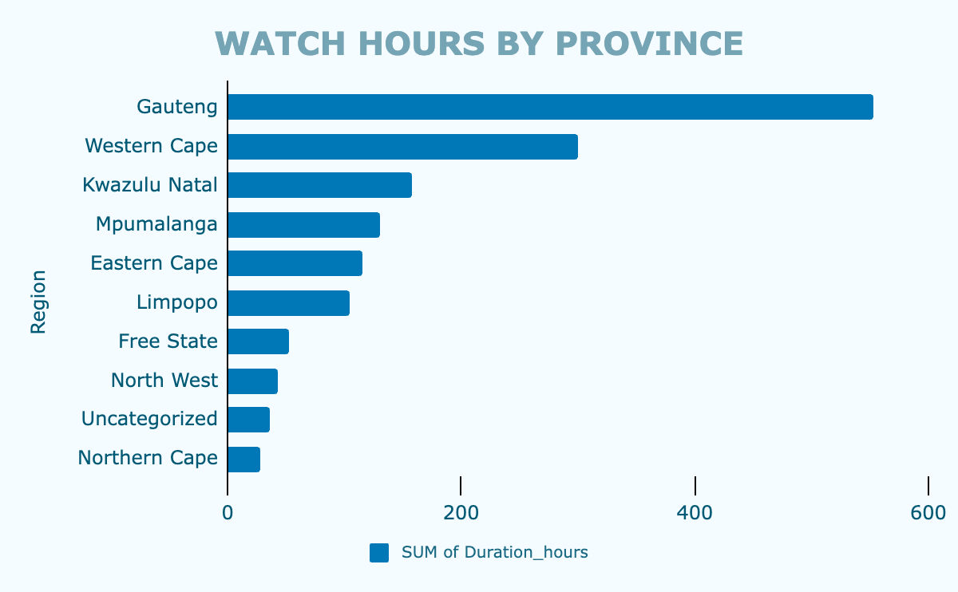
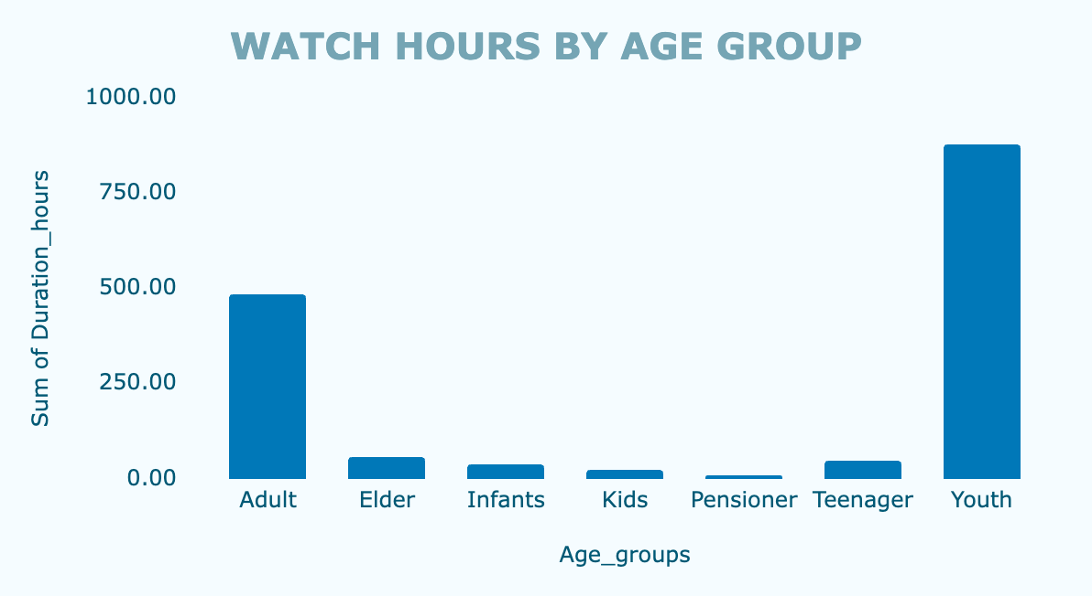

TOP 10 TV CHANNELS BY WATCH HOURS
WATCH HOURS TREND BY HOURS OF DAY

WATCH HOURS BY TIME OF DAY
WEEKDAY vs WEEKEND

Gender Analysis
PROVINCE vs AGE GROUP

